Label names
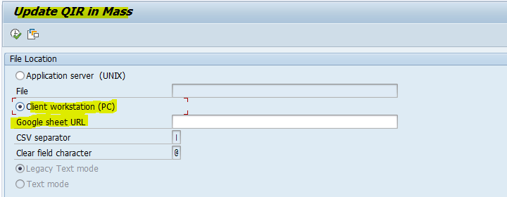
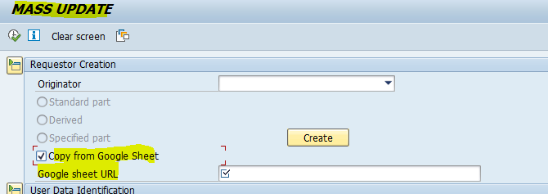
UI5 app name | Details | Current button name | New button name | Current file name | New File name | Name Validated ?
NSPI QFolder => Manage QIR / | z_i740_sin_reg | Download GSheet | Export to My Drive | ETListSet | NSPI_Qualif_export_<Timestamp> | Yes | NSPI_Qualif_export_08012025_160129
NSPI - material_manage | Z_i740_mat_mng | Export GSheet | Export to My Drive | NSPI_Request_export_07012025 | NSPI_Request_export_<Timestamp> | Yes | NSPI_Request_export_08012025_160753
AQPL => AQPL | Z_I740_AQPL | 1. Export GDrive Technical Note 2. Export GDrive AQPL Data 2.a --> My current QPL results 2.b --> GE QPL 2.c --> UK, FR, SP QPL 3. Export Technical Note 4. Export AQPL Data 4.a --> My current QPL results 4.b --> GE QPL 4.c --> UK. FR, SP QPL | 1. Export to my Drive Technical Note 2. Export to my Drive AQPL Data 2.a --> My current QPL results 2.b --> GE QPL 2.c --> UK, FR, SP QPL | 1. TN_List_07012025 2.a --> Customized_Export_07012025 2.b --> GE_QPL_07012025 2.c --> UK_FR_SP_QPL_07012025 3. TN_List_07012025 4.a --> Customized_Export_07012025_224736 4.b --> GE_QPL_07012025 4.c --> UK_FR_SP_QPL_07012025 | 1. TN_List_07012025 2.a --> Customized_Export_07012025 2.b --> GE_QPL_07012025 2.c --> UK_FR_SP_QPL_07012025 3. TN_List_07012025 4.a --> Customized_Export_07012025_224736 4.b --> GE_QPL_07012025 4.c --> UK_FR_SP_QPL_07012025 | No | TN_List_08012025_162512 Customized_Export_08012025_162548
AQPL => Interchangeability | Z_I740_ICY | 1. Export 2. Export GDrive | Export to My Drive | 1. ICY_Export_07012025_225057 2. ICY_Export_07012025_225101 | 1. ICY_Export_07012025_225057 2. ICY_Export_07012025_225101 | No
myComp => Manage QIR | z2f81_wpfis | Download GSheet | Export to My Drive | et_qirSet | myComp_qualif_export_<Timestamp> | Yes | myComp_qualif_export_08012025_181855
myComp => Manage CFolder | z2f81_wpfis | Download GSheet | Export to My Drive | ET_CFOLDERSet | myComp_Cfolder_export_<Timestamp> | Yes | myComp_Cfolder_export_08012025_182342
myComp => T2DD | z2f81_wpfis | Download GSheet | Export to My Drive | ETT2ddSet | myComp_T2DD_export_<Timestamp> | Yes | myComp_T2DD_export_08012025_182713
myCSL => Manage SIR | z_2t65_csl_sir |  | Export to My Drive | DisplaySIRs_export_08012025 | SIRs_export_<Timestamp> | Yes
myCSL => Manage WS | z_2t65_csl_ws |  | Export to My Drive | export (18) | WS_export_<TimeStamp>.xlsx | Yes
myCSL => Manage work specification line | z_2t65_cslv3mws |  | Export to My Drive | WS_line_export_08012025 | WS_line_export_<Timestamp> | Yes
myCSL=> Display SIR | Z_2T65_CSL_DIS | Download GSheet | Export to My Drive | DisplaySIRs_export_08012025 (1) | DisplaySIRs_export_<Timestamp>.xlsx | Yes
myCSL=> Search Service & Contact | z_2t65_cslv3ssc |  | Export to My Drive | CSLV3_export_08012025_081503 | CSLV3_export_<Timestamp> | Yes
myQSPL => Manage Request | Z_FD45_QSPL_REQ | Export to GDrive | Export to My Drive | MyQSPL_exportrequest_07012025_230125 | MyQSPL_exportrequest_<Timestamp> | Yes
myQSPL => Manage Qualif | Z_FD45_QSPL_QUA | Export to GDrive | Export to My Drive | MyQSPL_export_07012025_230406 | MyQSPL_export_<Timestamp> | Yes
myQSPL => Generate Report (NB: despite its name, the option 'xls' generates an xlsx) | ZFD45_QSPL_GR | GDrive <Radio button> | My Drive | 1. MyQSPL_LqaDashboard_07012025_230455 2. EXTERNAL_IN_07/01/2025 3. EXTERNAL_EX_07/01/2025 4. QSPL_INTERNAL_07/01/2025 | 1. MyQSPL_LqaDashboard_07012025_230455 2. EXTERNAL_IN_07/01/2025 3. EXTERNAL_EX_07/01/2025 4. QSPL_INTERNAL_07/01/2025 | No
myQTML => Manage Request | Z_3F9F_QTML_MR | Export to GDrive | Export to My Drive | MyQTML_exportrequest_07012025_232058 | MyQTML_exportrequest_<Timestamp> | Yes
myQTML => Manage Qualif | Z_3F9F_QTML_MQ | Export to GDrive | Export to My Drive | MyQTML_exportqualif_07012025_232226 | MyQTML_exportqualif_<Timestamp> | Yes
myQTML => Generate Report (NB: despite its name, the option 'xls' generates an xlsx) | Z_3F9F_QTML_GR | GDrive <Radio button> | My Drive | 1. PTP_Kit_07_01_2025 2. External_report_independent_07_01_2025 3. External_report_captive_07_01_2025 4. QTML_Internal_report_07_01_2025_23_28_53 | 1. PTP_Kit_07_01_2025 2. External_report_independent_07_01_2025 3. External_report_captive_07_01_2025 4. QTML_Internal_report_07_01_2025_23_28_53 | No
ZPMDBR_WPFIS_MASS_QIR_UPDATE | ZPMDBR_WPFIS_MASS_QIR_UPDATE | Google sheet URL
ZFNAMASS | ZFNAMASS | Google sheet URL

Sheet5
AQPL Content error in AL11 file
/local/share/AEROSAP/FTP/DEM/I740/npi/o/TN_List.csv

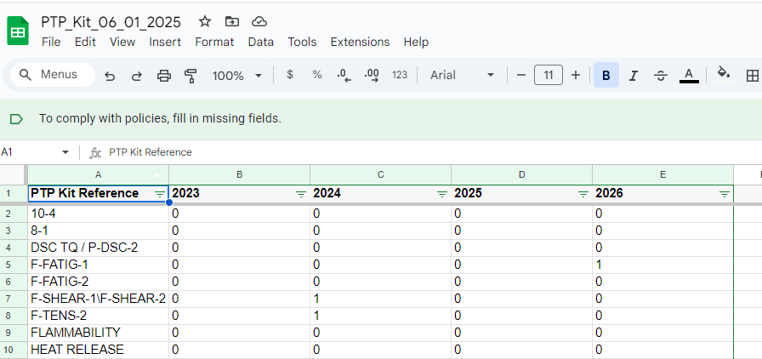
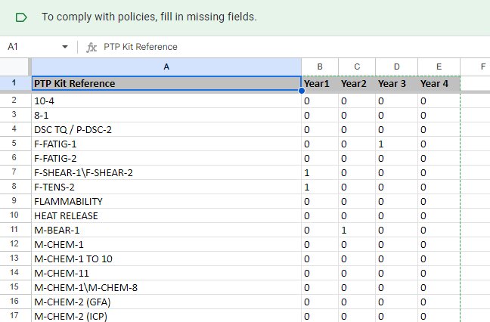

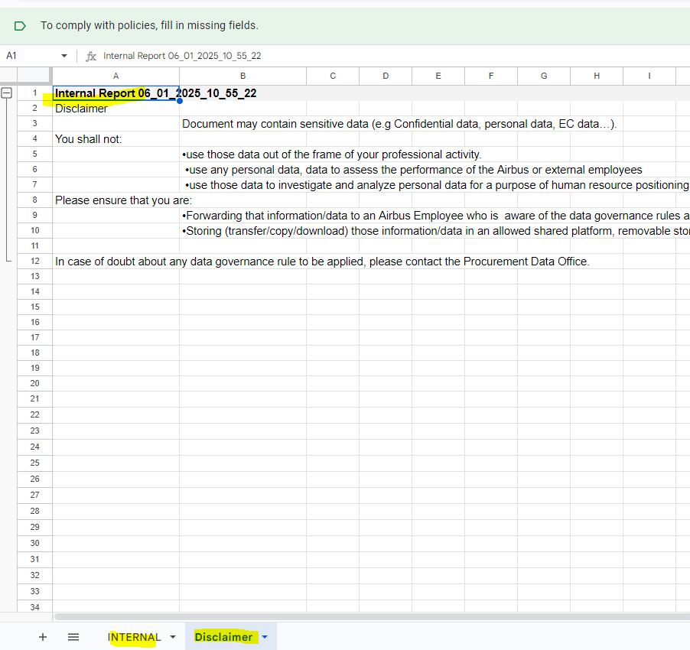

 |  |  |  |  |  |  |  |  |  | qtml internal

MyQTML ID | Supplier ARPID | Supplier Name | Supplier Street | Supplier ZIP-code | Supplier City | Supplier Country | Supplier Approval | Captive/Independent | In-Situ/Ex-Situ | Facility Id | Facility Name | TMICD Reference | TM Reference | TM Title | TM Complexity | TM Family | TM surveillance sub family | Qualification Status | ATP Expiry Date | Qualification Limitations | Audit Performed Date | Industrial Qualification Reference | Industrial Qualification Type | Technical Qualification Required | Technical Qualification Date | Engineering Request Reference | Technical Qualification Reference | Technical Limitation | Deviation Required | Deviation Acceptance Date | Deviation Reference | Surveillance Date | Surveillance Reference | Surveillance Type | last on site | Next Surveillance Date | Nadcap Accredited | Nadcap Commodity | Nadcap Audit Checklist | External Cross Test Kit Reference | Year of Participation | RCA Reference | Tested Kit Reference | Final Status | Next External Cross Test Year | Request ID | Requestor Commodity | Qualification Need Date | Internal referent authorised for | Comments (internal) | Lead Qualified Auditor Siglum | Lead Qualified Auditor Name | Validator 1 Siglum | Validator 1 Name | Validator 2 Siglum | Validator 2 Name | Creation Line Date | First Industrial Qualification Date | Last Qualification Status Update Date | Last Update
QTML_ID | TEST_FAC_ARP_ID | SUPPLIER_NAME | SUPPLIER_STREET | SUPPLIER_ZIP_CODE | SUPPLIER_CITY | SUPPLIER_COUNTRY | SUPPLIER_APPROVAL | CAP_IND | INSITU_EXSITU | FACILITY_ID | FACILITY_NAME | TMICD_REF | TM_REF | TM_TITLE | TM_COMPLEXITY | TM_FAMILY | TM_SURV_SUB_FAMILY | QUALIF_STATUS_NAME | ATP_EXPIRY_DATE | QUALIF_LIMITATION | AUDIT_PERF_DATE | IND_QUAL_REF | IND_QUAL_TYPE | TECH_QUALIF_REQ | TECH_QUALIF_DATE | ENG_REQUEST_REF | TECH_QUALIF_REF | TECH_QUALIF_LIMIT | DEVIATION_REQUIR | DEVIATION_ACCEPT | DEVIATION_REFERE | SURV_DATE | SURVEILLANCE_REF | SURV_TYPE | LAST_ON_SITE | NEXT_SURV_DATE | NADCAP_ACCREDIT | NADCAP_COMMODITY | NADCAP_AUDIT_CHE | PTP_KIT_REF | PART_YEAR | RCA_REFERENCE | TESTED_KIT_REF | FINAL_STATUS | NXT_EXT_CR_TST_Y | REQUEST_ID | REQUESTOR_CMDTY | QUALIF_NEED_DATE | INTERNALREFLAB | COMMENTS | LEAD_QUA_AUDITOR | LQA_NAME | VALIDATOR_1_SIGLUM | VALIDATOR_1_NAME | VALIDATOR_2_SIGLUM | VALIDATOR_2_NAME | CREATED_DATE | FIRST_IND_QUALIF_DATE | LAST_QUA_STAT_UPDATE_DATE | LAST_UPDATE

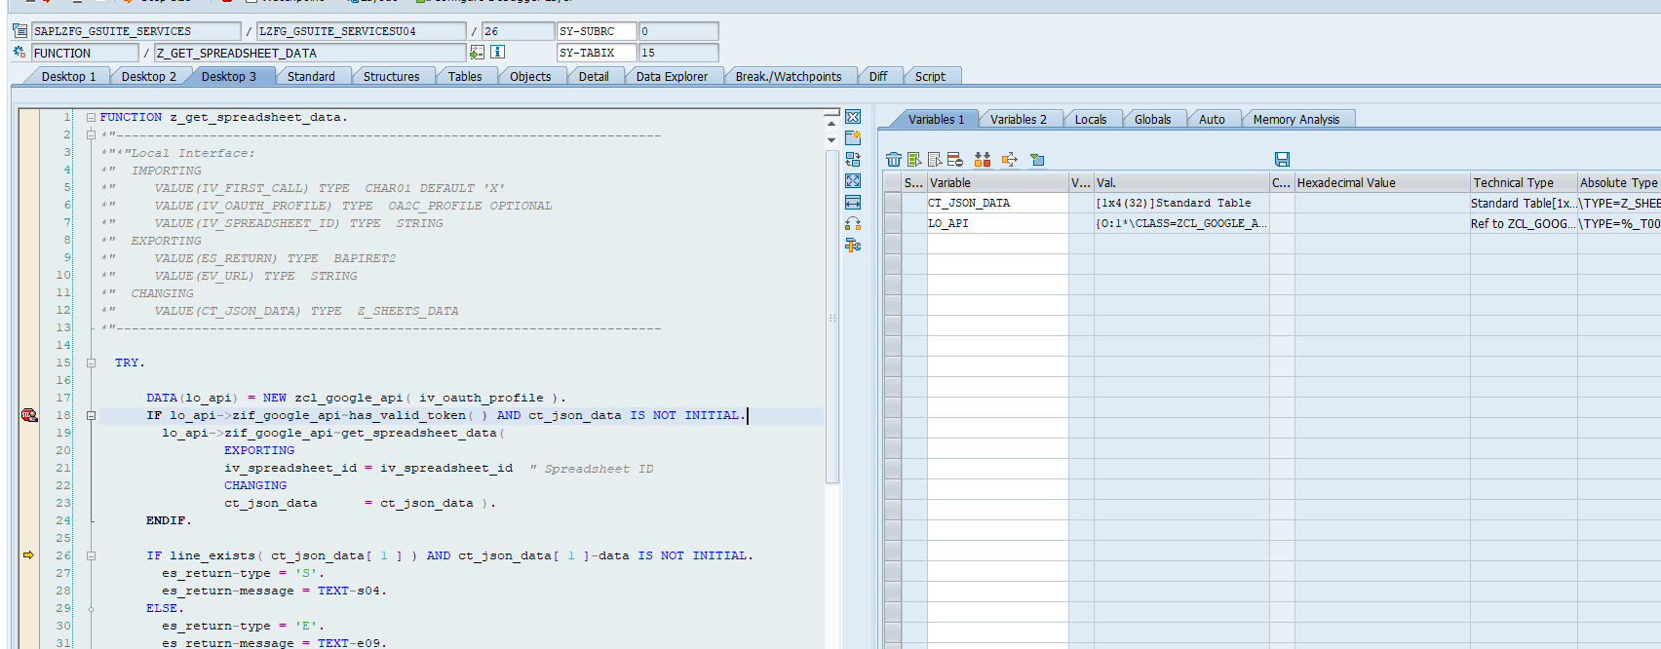

______________________________

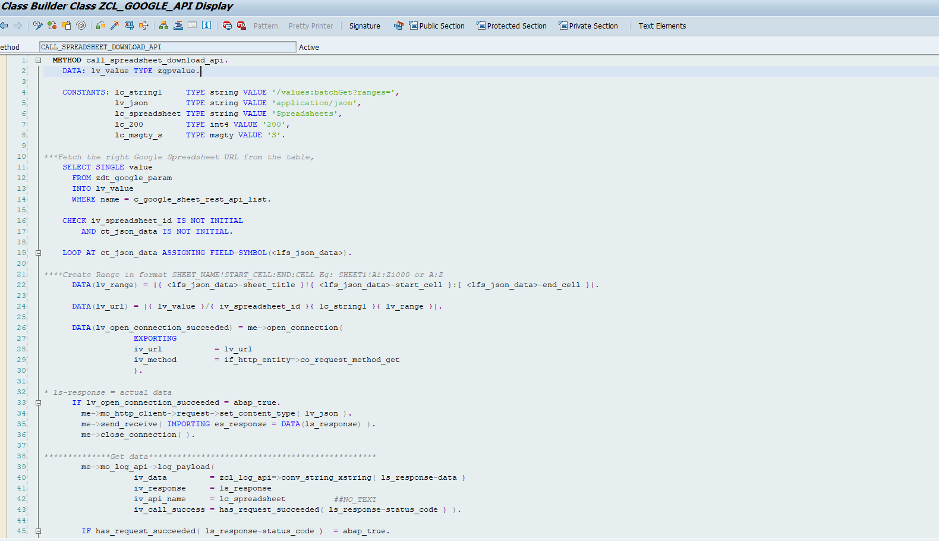

slg1 logs
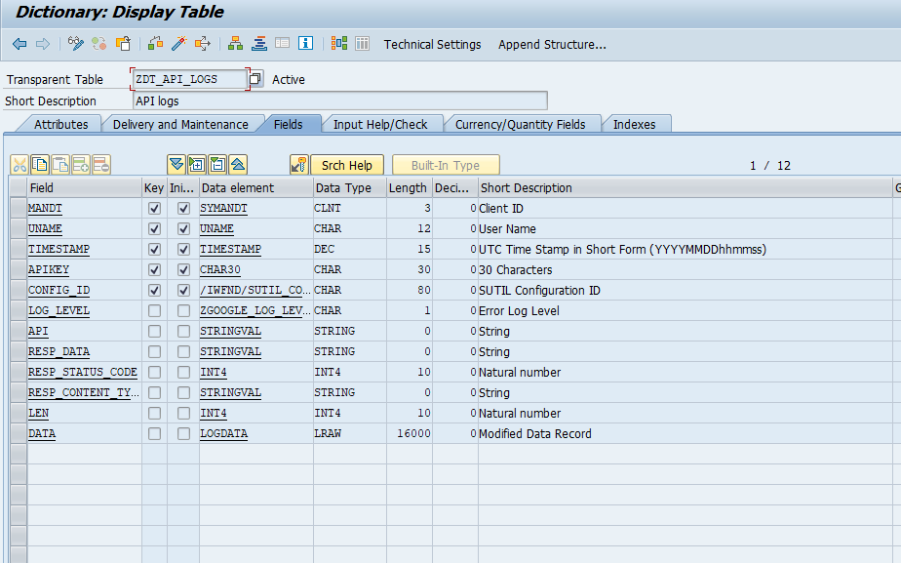

NPI Request Reference | Created On | Created By | Request Type | Father STDP | Material | Description | Qualif | Standardization Status | Last Eng Decision Comment | Last Eng Date | Last Eng Actor | Procurement Status | Ordering Status | Need Date | Aircraft Type | Natco | Originator | Usage Group | Updated Flag | H Int Qty | H Int Date | Int Qty | Last Eng Decision | LDFOP | Last Proc Decision | Text | Last Proc. Date | Co Validation | ABC Code | HMG | ZMEABM_DESC | Int Date | Lead Time | Last Ord Decision | Last Ord Decision Comment | Last Ord. Date | Actor | Supplier Name | Supplier Code | Delivery Date | Updated Tool | Consuming Plant | MOD | MSN | One Shot | Old Material Reference
ZREQID | ZCREATE_DATE | ZCREATE_ID | ZREQTYP_DESC | ZSTDP | PART | PART_DESC | ZMAT_QUAL_NATCO | E_STATUS_T | E_DECISION_DESC | ZENGCHANGE_DATE | E_ACTOR | P_STATUS_T | O_STATUS_T | ZDEL | ZACTYP_DESC | ZCONSNATCO_DESC | ZORIGNATOR | ZUSAGEGRP | ZUPDATED | ZQTY_TOT | ZDEL_TOT | ZQTY_NATCO | E_DECISION_DESC | ZDEL_CORP | P_DECISION_DESC | P_COMMENT | P_UPDATE_DATE | ZCOVAL | ZVAL_CLASS | MATKL | ZMEABM_DESC | ZDEL_NATCO | ZQTY_CORP | O_DECISION_DESC | O_COMMENT | O_UPDATE_DATE | ZORDVAL_ID | ZLIFNR_TXT | LIFNR | ZTARGET | ZVALIDATOR_DESC | ZCONSPLANT_DESC | ZMOD | ZMSN | ZONE_SHOT | ZOLD_MAT_REF

NPI Request Reference | Created On | Created By | Request Type | Father STDP | Material | Description | Qualif | Standardization Status | Last Eng Decision Comment | Last Eng Date | Last Eng Actor | Procurement Status | Ordering Status | Need Date | Aircraft Type | Natco | Ori. | UG | Upd | H Int Qty | H Int Date | Int Qty | Last Eng Decision | LDFOP | Last Proc Decision | Last Proc Decision Comment | Last Proc. Date | Cov | ABC Code | HMG | Unit | Int Date | Lead Time | Last Ord Decision | Last Ord Decision Comment | Last Ord. Date | Actor | Supplier Name | Supplier Code | Delivery Date | Updated Tool | Consuming Plant | MOD | MSN | One Shot | Old Material Reference
ZREQID | ZCREATE_DATE | ZCREATE_ID | ZREQTYP_DESC | ZSTDP | PART | PART_DESC | ZMAT_QUAL_NATCO | E_STATUS_T | E_COMMENT | ZENGCHANGE_DATE | E_ACTOR | P_STATUS_T | O_STATUS_T | ZDEL | ZACTYP_DESC | ZCONSNATCO_DESC | ZORIGNATOR | ZUSAGEGRP | ZUPDATED | ZQTY_TOT | ZDEL_TOT | ZQTY_NATCO | E_DECISION_DESC | ZDEL_CORP | P_DECISION_DESC | P_COMMENT | P_UPDATE_DATE | ZCOVAL | ZVAL_CLASS | MATKL | ZMEABM_DESC | ZDEL_NATCO | ZQTY_CORP | O_DECISION_DESC | O_COMMENT | O_UPDATE_DATE | ZORDVAL_ID | ZLIFNR_TXT | LIFNR | ZLIFNR_DEL | ZVALIDATOR_DESC | ZCONSPLANT_DESC | ZMOD | ZMSN | ZONE_SHOT | ZOLD_MAT_REF

CSL_SIR

SIR ID | Service ID | Service Name | Service Category | Supplier ARP ID | Supplier Name | Supplier City | Supplier Country | Site ID | Site Name | Site City | Site Country | A/C Program | S Status | C Status | I Status | Commercial Site ARP ID | Commercial Site Name | WS ID | WS Reference | WS Name | Subtier / Service Provider | Comments | Attached Documents | SARF Validation Date | ATP expiry date | SARF Expiry Date | POA validation date | FOD validation date | SCQM-Login | SCQM-Name | SCQM-Siglum | Creator ID | Creator Name | Creator Siglum | Date of SIR Creation
SIR ID | TYPE ID | SERVICE NAME | CATEGORY NAME | ARP ID | SUPPLIER NAME | SUPPLIER CITY | SUPPLIER COUNTRY | SITE ID | SITE NAME | SITE CITY | SITE COUNTRY | PROGRAM FAMILY | S STATUS | C STATUS | I STATUS | COMMERCIAL SITE ARP ID | COMMERCIAL SITE NAME | WS ID | WS REFERENCE | WS NAME | SERVICE PROVIDER | COMMENT | DOCUMENT | SARF VALIDATION DATE | ATP EXPIRY DATE | SARF END DATE | POA VALIDATION DATE | FOD VALIDATION DATE | SCQM USER ID | SCQM NAME | SCQM SIGLUM | SIR CREATOR ID | SIR CREATOR NAME | SIR CREATOR SIGLUM | SIR CREATION DATE
SirID | TypeID | ServiceName | CategoryName | ArpID | SupplierName | SupplierCity | SupplierCountry | SiteID | SiteName | SiteCity | SiteCountry | ProgramFamily | SStatus | CStatus | IStatus | CommercialSiteId | CommercialSiteName | WsID | WsReference | WsName | ServiceProvider | Comment | Document | SarfStartDate | AtpExpiryDate | SarfEndDate | PoaValidationDate | FodValidationDate | ScqmID | ScqmName | ScqmSiglum | SirCreatorID | SirCreatorName | SirCreatorSiglum | SirCreationDate
ETSirSet

ZCL_Z_2T65_CSL_ODP_DPC_EXT

Z_CSL_GET_SIR_DETAILS

PO
SIR ID | Service ID | Service Name | Service Category | Supplier ARP ID | Supplier Name | Supplier City | Supplier Country | Site ID | Site Name | Site City | Site Country | A/C Program | S Status | C Status | I Status | Commercial Site ARP ID | Commercial Site Name | WS ID | WS Reference | WS Name | Subtier / Service Provider | Comments | Attached Documents | SARF Validation Date | ATP expiry date | SARF Expiry Date | POA validation date | FOD validation date | SCQM-Login | SCQM-Name | SCQM-Siglum | Creator ID | Creator Name | Creator Siglum | Date of SIR Creation
SIR ID | Service ID | Service Name | Service Category | Supplier ARP ID | Supplier Name | Supplier City | Supplier Country | Site ID | Site Name | Site City | Site Country | A/C Program | S Status | C Status | I Status | Commercial Site ARP ID | Commercial Site Name | WS ID | WS Reference | WS Name | Subtier / Service Provider | Comments | Attached Documents | SARF Validation Date | ATP expiry date | SARF Expiry Date | POA validation date | FOD validation date | SCQM-Login | SCQM-Name | SCQM-Siglum | Creator ID | Creator Name | Creator Siglum | Date of SIR Creation

PJ
SIR ID | Service ID | HMG | Service Category | Supplier ARP ID | Supplier Name | Supplier City | Supplier Country | Site ID | Site Name | Site City | Site Country | A/C Program | S Status | C Status | I Status | Commercial Site ARP ID | Commercial Site Name | WS ID | WS Reference | WS Name | Subtier / Service Provider | Comments | Attached Documents | SARF Validation Date | ATP expiry date | Qualification Date | POA validation date | FOD validation date | SCQM-Login | SCQM-Name | SCQM-Siglum | Creator ID | Creator Name | Creator Siglum | Date of SIR Creation

OLW
SIR ID | Service ID | Commodity | Service Category | Supplier ARP ID | Supplier Name | Supplier City | Supplier Country | Site ID | Site Name | Site City | Site Country | A/C Program | S Status | C Status | I Status | Commercial Site ARP ID | Commercial Site Name | WS ID | WS Reference | WS Name | Subtier / Service Provider | Comments | Attached Documents | SARF Validation Date | ATP expiry date | SARF Expiry Date | POA validation date | FOD validation date | SCQM-Login | SCQM-Name | SCQM-Siglum | Creator ID | Creator Name | Creator Siglum | Date of SIR Creation

CSL WS

WS ID | WS Reference | WS Name | WS Creation Date | Supplier ARP ID | Supplier Name | Supplier City | Supplier Country | WS Status | Nb of SIRs | Comment | Closed | WS SCQM-Login | WS SCQM-Name | WS SCQM-Siglum | Creator ID | Creator Name | Creator Siglum | Last Change date
WS ID | WS REF | WS NAME | CREATED DATE | ARP ID | SUPPLIER NAME | SUPPLIER CITY | SUPPLIER COUNTRY | WS STATUS | NB OF SIR | COMMENTS | CLOSED | SCQM ID | SCQM NAME | SCQM SIGLUM | CREATED USER | CREATOR NAME | CREATOR SIGLUM | UPDATED DATE

ETWsSet

ZCL_Z_2T65_CSL_ODP_DPC_EXT

Z_CSL_GET_WS_DETAILS

sServiceUrl = oResult.results[0].URL;
DFEK965260
MWS

ETWsLineSet | ZCL_Z_2T65_CSL_V3_ODP_DPC_EXT |  |  | ETWSLINESET_GET_ENTITYSET

WS ID | WS Reference | WS Issue | WS active flag | WS Name | WS Hierarchy | WS Family | S Provider ARP ID | S Provider Name | S Provider City | S Provider Country | S Provider Commercial ARP ID | S Provider Commercial Name | Service Family key | Service Family | HMG | Site ID | Site Name | A/C Program(s) | Serv Comp Status | WS Doc | QAP | DAN | ATS | Comp Matrix | Overall Progress | WS Creation Date | WS Creator Name | SCQM Name | Captain Name | myWS flag

Z_CSL_MANAGE_WS_LINE

CSL DIS

ETSirExportSet
SIR_ID | SRV_FAM_CODE | SRV_FAM | HMG | SRV_NAME | SRV_SUB_ACT_CODE | SRV_TYPE_DESC | PROCESS_FLOW | SITE | PROGRAMS | SIR_C_STATUS | SIR_I_STATUS | SIR_S_STATUS | COMMENTS | CRITICALITY | ACTIVE_AT_CC_LEVEL | DAYS_LEFT | FDA_REF | WS_ID | WS_REFERENCE | WS_ISSUE | WS_NAME | WS_HIERARCHY | WS_FAMILY | OVERALL_CRITIC | WS_COMP_STATUS | SRV_PROVIDER | SRV_PROVIDER_NAME | SRV_PROVIDER_CITY | SRV_PROVIDER_COUNTRY | SRV_PROVIDER_COMMERCIAL_ARP_ID | SRV_PROVIDER_COMMERCIAL_NAME | SRV_PROVIDER_COMMERCIAL_CITY | SRV_PROV_COMMERCIAL_COUNTRY | WS_REF_DOC | QAP_REF | DAN_REF | ATS_REF | COMPLIANCE_MATRIX | CREATED_DATE | CREATED_USER | WS_CREATOR_NAME | SCQM_ID | SCQM_NAME | SPECIAL_PROCESS | NOT_UPDATED | SITE_NAME
SIR ID | Service Family Code | Service Family Description | HMG Code | Service Activity | Service Sub-activity code | Service Sub-activity description | Process Flow | Special Process | Site ID | Site Name | A/C Program | SCQM status | SR status | SIR status | Comments | Criticality | SIR activation | Days left | FDA | WS ID | WS Reference | WS Issue | WS active flag | WS Name | WS Hierarchy | WS Family | Overall Criticality | Service Compliance Status | S Provider ARP ID | S Provider Name | S Provider City | S Provider Country | S Provider Commercial ARP ID | S Provider Commercial Name | S Provider Commercial City | S Provider Commercial Country | WS Doc | QAP | DAN | ATS | Comp Matrix | WS Creation Date | WS Creator ID | WS Creator Name | SCQM ID | SCQM Name
sir_id | srv_fam_code | srv_fam | hmg | srv_name | srv_sub_act_code | srv_type_desc | process_flow | special_process | site | site_name | programs | scqm_status | sr_status | sir_status | comment | criticality | sir_activation | days_left | fda | ws_id | ws_reference | ws_issue | ws_active_flag | ws_name | ws_hierarchy | ws_family | overall_criticality | srv_comp_status | s_provider_arp_id | s_provider_name | s_provider_city | s_provider_country | s_provider_comm_arp_id | s_provider_comm_name | s_provider_comm_city | s_provider_comm_country | ws_doc | qap | dan | ats | comp_matrix | ws_creation_date | ws_creator_ID | ws_creator_name | scqm_id | scqm_name

Z_CSL_SIR_EXTRACT

csl ssc

WS Reference | WS Issue | S Provider ID | S Provider Name | WS Creator ID | WS Creator Name | WS Creator Siglum | SCQM ID | SCQM Name | SCQM Siglum | Serv Comp Status | WS Document | QAP | DAN | ATS | Compliance Matrix | Site

ETWSSet

Z_CSL_WS_DETAILS

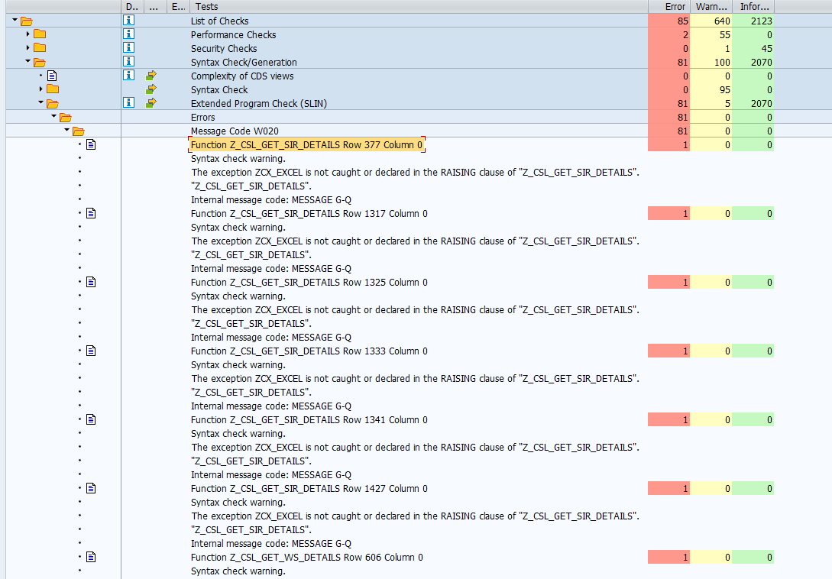

"/sap/opu/odata/SAP/Z_2F81_WPFIS_QIR_ODP_SRV/et_qirSet/?$format=GSheet&fname=myComp_qualif_export_31012025_161357&$filter=((I_supplier eq '0000071285' ))&$select=I_partno,I_matdesc,I_mpn,I_localmat,Qualif_scope,I_hmg,I_supplier,I_supname,I_supcity,I_supcoun,I_cfolder,I_msstate,I_estatus,I_qstatus,I_wstatus,I_pstatus,E_Inconsistency_Flag,I_certtype,I_criticality,I_scqm,I_cfolder,I_name,I_siglum,I_comments,IOrigin,Created_date,IUser,I_msn"

METHOD set_column_style_by_guid.
DATA: stylemapping TYPE zexcel_s_stylemapping.

IF me->excel IS NOT BOUND.
zcx_excel=>raise_text( 'Internal error - reference to ZCL_EXCEL not bound' ).
ENDIF.
TRY.
stylemapping = me->excel->get_style_to_guid( ip_style_guid ).
me->style_guid = stylemapping-guid.

CATCH zcx_excel .
EXIT. " leave as is in case of error
ENDTRY.

ENDMETHOD.

Airbus Normal Change: 151938, [Qualif] MS Decom - XFE
 | DFEK962652
 | DFEK962733
 | DFEK964946

Airbus Normal Change: 152048, [Qualif] MS Decom xEM
 | DEMK931402
 | DEMK931960

Airbus Normal Change: 154490, [myCSL] MS decom Topics
 | DFEK964607
 | DFEK965260

NSPI QFolder - Manage QIR

ZCL_Z_I740_MANAGE_QIR__DPC_EXT |  | ETLISTSET_GET_ENTITYSET |  | Z_NPI_GET_QIR_LISTS

Flag | Material | Material Description | Standard/Drawing | HMG | Supplier | ARP ID | E Status | Q Status | W Status | P Status | Incon Flag | C lev Cert type | Q Folder | SCQM-Login | SCQM-Name | SCQM-Siglum | Qualified Until | Manufacturer P/N | Usage Group | Usage Restriction | Created On | Created By | Last Changed On | Last Changed By | Withdrawal Comment
Deletion | Material | Material Description | Standard/Drawing | HMG | Supplier | ARP ID | E Status | Q Status | W Status | P Status | Incon Flag | Certificate Type | Q Folder | SCQM-Login | SCQM-Name | SCQM-Siglum | Qualified Until | Manufacturer P/N | Usage Group | Usage Restriction | Created On | Created By | Last Changed On | Last Changed By | Withdrawal Comment

EtListSet

sServiceUrl = oResult.results[0].URL;

Z_NPI_GET_QIR_LISTS
ETQirResultSet | Z_AQPL_QIR_RESULT_FILTER
AQPL - current records

Procurable | Qualified Until | Manufacture ArpId | Manufacture Name | Manufacture City | Manufacture Country | Manufacture Cage Code | Manufacturer Type | Standard | Airbus Material Id | Airbus Material Description | Manufacture Part Number | Harmonised Material Group | Interchangeability | Usage Restriction | P Status | P Status Description | P Status Last update | P5 Regulated Substance | Supplier Approved
Procurable | Qualified until | Manufacturer ARP ID | Manufacturer Name | Manufacturer City | Manufacturer Country | Manufacturer Cage Code | Material Type | Standard | Airbus Material ID | Airbus Material Description | Manufacturer P/N | HMG | Interchangeability | Usage Restriction | P Status | P Status Description | P Status Last Update | P5-Regulated Substances(only for blocked) | Supplier Approved

ETExportGermanSet | GE QPL | Z_AQPL_EXPORT_GERMAN

Manufacturer | Manufacturer Text | Location | Country | CAGE Co | Approval Status Text | Type of Data Text | Ident Number | Material | Airbus Material Text | Interchangeability Flag | Manufacturer PN | Usage Restriction Text | P Status | P Status Text | Change date Status P | Counter of QIR
Manufacturer | Manufacturer Text | Location | Country | CAGE Co | Approval Status Text | Type of Data Text | Ident Number | Material | Airbus Material Text | Interchangeability Flag | Manufacturer PN | Usage Restriction Text | P Status | P Status Text | Change date Status P | Counter of QIR

ETExportDeltaSet | uk fr | Z_AQPL_EXPORT_DELTA

Manufacturer ARP ID | Manufacturer Name | Manufacturer City | Manufacturer Country | Manufacturer Cage Code | Material Type | Standard | Airbus Material ID | Airbus Material Description | Interchangeability | Manufacturer PN | Usage Restriction | P Status | P Status Description | P Status last update
Manufacturer ARP ID | Manufacturer Name | Manufacturer City | Manufacturer Country | Manufacturer Cage Code | Material Type | Standard | Airbus Material ID | Airbus Material Description | Interchangeability | Manufacturer PN | Usage Restriction | P Status | P Status Description | P Status last update

ETExportTNSet | tn list | Z_AQPL_EXPORT_TN_LIST

LINE_NB | TN | SYSTEM_ID | SUB_SYSTEM_ID | COMPONENT_ID | LINE | REFERENCE | REFERENCE_TITLE | MATERIAL | NATCO | MATERIAL_SPECIFI | INDIV_PRODUCT_SP | MANUFACTURER_ARP | MANUFACTURER | PRODUCT_TYPE | PRODUCT_DESIGNAT | DRAWING_CODES | PROCESS_SPECIF | NOT_USED | IS_USED
LINE_NB | TN | SYSTEM_ID | SUB_SYSTEM_ID | COMPONENT_ID | LINE | REFERENCE | REFERENCE_TITLE | MATERIAL | NATCO | MATERIAL_SPECIFI | INDIV_PRODUCT_SP | MANUFACTURER_ARP | MANUFACTURER | PRODUCT_TYPE | PRODUCT_DESIGNAT | DRAWING_CODES | PROCESS_SPECIF | NOT_USED | IS_USED

AQPL - ICY

Valid | Update Date | SPEC from | STC from | SPEC to | STC to | ICY Code Designation | QIR(s)
Valid | Update Date | SPEC from | STC from | SPEC to | STC to | ICY Code Designation | QIR(s)

ETSearchInchSet |  | ICY_Export_ |  | CLEAR: lv_dd, lv_mm, lv_yyyy.
 |  |  |  | lv_dd = LS_REQLIST_INT_GSHEET-LAST_QUA_STAT_UPDATE_DATE+6(2).
Z_AQPL_INCHNBLTY_RESULT_FILTER |  |  |  | lv_mm = LS_REQLIST_INT_GSHEET-LAST_QUA_STAT_UPDATE_DATE+4(2).
 |  |  |  | lv_yyyy = LS_REQLIST_INT_GSHEET-LAST_QUA_STAT_UPDATE_DATE+0(4).
 |  |  |  | CONCATENATE lv_dd c_dot lv_mm c_dot lv_yyyy INTO LS_REQLIST_INT_GSHEET-LAST_QUA_STAT_UPDATE_DATE_DESC.
QTML MR

ETRequestShlpSet | MyQTML_exportrequest_ |  | Z_QTML_SEARCH_REQUEST |  | DFEK964946

Request ID | Request Creation Date | Requestor Name | Request Status | Request Type | Ex-Situ/In-Situ | MyQTML ID | TM Reference | TM title | TM complexity | Supplier ARP ID | Supplier Name | Supplier Street | Supplier City | Supplier ZIP-code | Supplier Country | Facility ID | Facility Name | TM Surveillance sub-family | Captive/Independent | TMICD | Reason For Need | Long_descript | Qualification Need Date | Comments on Request | Budget secured | Engineering Request Reference | Material/Process Specification Impacted | CNF Reference | TNF Reference | Current Supplier | A/C Progam(s) | Internal referent authorised for | Coordination Team | Requestor Login
Request ID | Request Creation Date | Requestor Name | Request Status | Request Type | Ex-Situ/In-Situ | MyQTML ID | TM Reference | TM title | TM complexity | Supplier ARP ID | Supplier Name | Supplier Street | Supplier City | Supplier ZIP-code | Supplier Country | Facility ID | Facility Name | TM Surveillance sub-family | Captive/Independent | TMICD | Reason For Need | Requestor Commodity | Qualification Need Date | Comments on Request | Budget secured | Engineering Request Reference | Material/Process Specification Impacted | CNF Reference | TNF Reference | Current Supplier | A/C Progam(s) | Internal referent authorised for | Coordination Team | Requestor Login
REQUEST_ID | CREATED_ON_DESC | CREATED_BY_NAME | STATUS_OF_REQ_DESC | REQUEST_TYPE | EXSITU_INSITU | QTML_ID | TM_REF | TM_TITLE | TM_COMPLEXITY | LIFNR | NAME1 | STRAS | ORT01 | PSTLZ | LAND1 | FACILITY_ID | FACILITY_NAME | TM_SURV_SUB_FAMILY | CAP_IND_DESC | TMICD_REF | REASON_FOR_NEED | LONG_DESCRIPT | QUALIF_NEED_DATE_DESC | COMMENTS_ON_REQU | BUDGET_SECURED | ENG_REF | LIST_PN | CNF_REF | TNF_REF | CUR_TST_FACILITY | AC_PROGRAMS_DESC | INTERNALREFLAB | COORDINATIONTEAM | CREATED_BY

QTML - MQ
ETQualifShlpSet | MyQTML_exportqualif_ |  | Z_QTML_SEARCH_QUALIFICATION |  | DFEK964946

TM Reference | Ex-Situ/In-Situ | MyQTML ID | Request ID | Qualification Validation Status | Supplier ARP ID | Supplier Name | Supplier Approval | TM_Family | TM_Sub_Family | TM_Surv_Sub_Family | IRR | Qualification Status | ATP Expiry Date | Next Surveillance Date | Nadcap Accredited | Nadcap Commodity | Nadcap Audit CheckList | Next External Cross Test Year | Kit Reference | Lead Qualified Auditor Name | Supplier City | Supplier Country | Captive/Independent | Facility ID | Facility Name | TMICD Reference | TM Title | TM Complexity | Internal referent authorised for | Qualification Limitations | LQA_siglum | Validator 1 Name | Validator 1 Siglum | Validator 2 Name | Validator 2 Siglum
TM Reference | Ex-Situ/In-Situ | MyQTML ID | Request ID | Qualification Validation Status | Supplier ARP ID | Supplier Name | Supplier Approval | TM Family | TM sub-family | TM Surveillance sub-family | IRR applicability | Qualification Status | ATP Expiry Date | Next Surveillance Date | Nadcap Accredited | Nadcap Commodity | Nadcap Audit CheckList | Next External Cross Test Year | Kit Reference | Lead Qualified Auditor Name | Supplier City | Supplier Country | Captive/Independent | Facility ID | Facility Name | TMICD Reference | TM Title | TM Complexity | Internal referent authorised for | Qualification Limitations | Lead Qualified Auditor Siglum | Validator 1 Name | Validator 1 Siglum | Validator 2 Name | Validator 2 Siglum

QSPL - REQ

ETReqFilterSet |  | MyQSPL_exportrequest_ |  | Z_QSPL_SEARCH_REQUEST | DFEK964946

Request ID | Request Creation Date | Requestor Name | Request Type | Request Status | Qualification Need Date | Requestor Commodity | Reason for Need | Ex-Situ/In-Situ | MyQSPL ID | Supplier ARP ID | Supplier Name | Supplier Country | Supplier City | PS Reference | PS Title | PI Reference | PI Title | Facility ID | Facility Name | PS Surveillance Sub Family | PNs/ Specifications | Coordination Team | Lead Qualified Auditor | Lead Qualified Auditor Name
Request ID | Request Creation Date | Requestor Name | Request Type | Request Status | Qualification Need Date | Requestor Commodity | Reason for Need | Ex-Situ/In-Situ | MyQSPL ID | Supplier ARP ID | Supplier Name | Supplier Country | Supplier City | PS Reference | PS Title | PI Reference | PI Title | Facility ID | Facility Name | PS Surveillance Sub Family | PNs/ Specifications | Coordination Team | Lead Qualified Auditor | Lead Qualified Auditor Name

QSPL - QUA |  |  |  |  | DFEK964946

ETSearchQualifSet |  | MyQSPL_export_ |  | Z_QSPL_SEARCH_QUALIFICATION

MyQSPL ID | Request ID | Validation Status | Supplier ARP ID | Supplier Name | Supplier City | Supplier Country | PS Reference | PS Title | PI Reference | PI Title | Facility ID | Facility Name | PS Family | PS sub-family | PS Surveillance Sub Family | Qualification Status | Supplier Approval | ATP Expiry Date | Next Surveillance Date | Qualification Limitations | Use Restricted | External Publication Authorised | Nadcap Accredited | Nadcap Commodity | Nadcap Audit Checklist | Industrial Qualification by Delegated Supplier | Surveillance by Delegated Supplier | Delegated supplier | Restricted Supplier | Couple Owner Siglum | Couple Owner Name | Lead Qualified Auditor Siglum | Lead Qualified Auditor Name | Comments | Validator Name | Updator ID
MyQSPL ID | Request ID | Validation Status | Supplier ARP ID | Supplier Name | Supplier City | Supplier Country | PS Reference | PS Title | PI Reference | PI Title | Facility ID | Facility Name | PS Family | PS sub-family | PS Surveillance Sub Family | Qualification Status | Supplier Approval | ATP Expiry Date | Next Surveillance Date | Qualification Limitations | Use Restricted | External Publication Authorised | Nadcap Accredited | Nadcap Commodity | Nadcap Audit Checklist | Industrial Qualification by Delegated Supplier | Surveillance by Delegated Supplier | Delegated supplier | Restricted Supplier | Couple Owner Siglum | Couple Owner Name | Lead Qualified Auditor Siglum | Lead Qualified Auditor Name | Comments | Validator Name | Updator ID

QTML GR

ETInternalReportSet |  | Z_QTML_QUALIFICATION_REPORTS |  | done | QTML_Internal_report_

ETExternalReportSet | /ind, cap | Z_QTML_QUALIFICATION_REPORTS |  |  | External_report_captive_
 |  |  |  |  | External_report_independent_
ETPTPKitReportSet |  | Z_QTML_PTP_KIT_REPORT |  | done | PTP_Kit_

captive
Supplier ARP ID | Supplier Name | Supplier Street | Supplier ZIP-code | Supplier City | Supplier Country | TM Reference | TM Title | TM Complexity | TM family | TM surveillance sub family | Qualification Status | ATP Expiry Date | InternalRefLab | In-Situ/Ex-Situ | Facility Id | Facility Name | Qualification Limitations
Supplier ARP ID | Supplier Name | Supplier Street | Supplier ZIP-code | Supplier City | Supplier Country | TM Reference | TM Title | TM Complexity | TM family | TM surveillance sub family | Qualification Status | ATP Expiry Date | Internal referent authorised for | In-Situ/Ex-Situ | Facility Id | Facility Name | Qualification Limitations

independent
Supplier ARP ID | Supplier Name | Supplier Street | Supplier ZIP-code | Supplier City | Supplier Country | TM Reference | TM Title | TM Complexity | TM family | TM surveillance sub family | Qualification Status | ATP Expiry Date | In-Situ/Ex-Situ | Facility Id | Facility Name | Qualification Limitations
Supplier ARP ID | Supplier Name | Supplier Street | Supplier ZIP-code | Supplier City | Supplier Country | TM Reference | TM Title | TM Complexity | TM family | TM surveillance sub family | Qualification Status | ATP Expiry Date | In-Situ/Ex-Situ | Facility Id | Facility Name | Qualification Limitations

QSPL GR

ETInternalReportSet | QSPL_INTERNAL |  | Z_QSPL_QUALIFICATION_REPORTS

MyQSPL Id | Request ID | Supplier ARPId | Supplier Name | Supplier street | Supplier city | Supplier ZIP-code | Supplier country | Supplier Approval | Specialist | PS reference | PS title | PS deletion flag | PI reference | PI title | PI deletion flag | Supplier PI reference | PS complexity | PS family | PS Surveillance sub-family | Qualification status | Qualification limitations | ATP Expiry date | in Situ / Ex Situ | Facility id | Facility name | External publication authorised | Audit Date | Industrial qualification reference | Industrial qualification type | Technical qualification required | Technical qualification date | Engineering request reference | Technical qualification reference | Technical limitation | Deviation required | Deviation acceptance date | Deviation reference | Last surveillance date | Next Surveillance Date | Surveillance reference | Surveillance type | Nadcap commodity | Nadcap Audit checklist | Nadcap Accredited | Industrial Qualification by Delegated supplier | Surveillance by Delegated supplier | Use Restricted | Restricted supplier ARPid | Restricted supplier name | Delegated supplier ARPid | Delegated supplier name | Comments (internal) | Couple Owner Siglum | Couple Owner Name | Qualification Auditor Siglum | Qualfication Auditor Name | Validator Siglum | Validator Name | Validator 2 Siglum | Validator 2 Name | Creation line date | First industrial qualification date | Last status update | Last Update
MyQSPL Id | Request ID | Supplier Name | Supplier street | Supplier ZIP-code | Supplier City | Supplier Country | Supplier Approval | Specialist | PS reference | PS title | PS deletion flag | PI reference | PI title | PI deletion flag | Supplier PI referenc | PS complexity | PS family | PS Surveillance sub- | Qualification status | Qualification limita | ATP Expiry date | in Situ / Ex Situ | Facility id | Facility name | External publication | Audit Date | Industrial qualifica | Industrial qualifica 1 | Technical qualificat | Technical qualificat 1 | Engineering request | Technical qualificat 2 | Technical limitation | Deviation required | Deviation acceptance | Deviation reference | Last surveillance da | Next Surveillance Da | Surveillance referen | Surveillance type | Nadcap commodity | Nadcap Audit checkli | Nadcap Accredited | Industrial Qualifica 2 | Surveillance by Dele | Use Restricted | Restricted supplier | Restricted supplier 1 | Delegated supplier A | Delegated supplier n | Comments (internal) | Couple Owner Siglum | Couple Owner Name | Qualification Audito | Qualfication Auditor | Validator Siglum | Validator Name | Validator 2 Siglum | Validator 2 Name | Creation line date | First industrial qua | Last status update | Last Update

ETLQAReportSet | MyQSPL_LqaDashboard_ |  | Z_QSPL_LQA_DASHBOARD

ETExternalReportSet |  |  | Z_QSPL_QUALIFICATION_REPORTS |  |  | EXTERNAL_EX_ |  | EXTERNAL_IN_

External exsitu
Supplier ARPId | Supplier Name | Supplier street | Supplier city | Supplier ZIP-code | Supplier country | Supplier Specialist | PS reference | PS title | PI reference | PI title | Qualification status | Qualification limitations | ATP Expiry date | PS family | PS Surveillance sub-family
Supplier ARPId | Supplier Name | Supplier street | Supplier city | Supplier ZIP-code | Supplier country | Supplier Specialist | PS reference | PS title | PI reference | PI title | Qualification status | Qualification limitations | ATP Expiry date | PS family | PS Surveillance sub-family

External Insitu
Supplier ARPId | Supplier Name | Supplier street | Supplier city | Supplier ZIP-code | Supplier country | PS reference | PS title | PI reference | PI title | Qualification status | Qualification limitations | ATP Expiry date | Facility id | Facility name | PS family | PS Surveillance sub-family
Supplier ARPId | Supplier Name | Supplier street | Supplier city | Supplier ZIP-code | Supplier country | PS reference | PS title | PI reference | PI title | Qualification status | Qualification limitations | ATP Expiry date | Facility id | Facility name | PS family | PS Surveillance sub-family

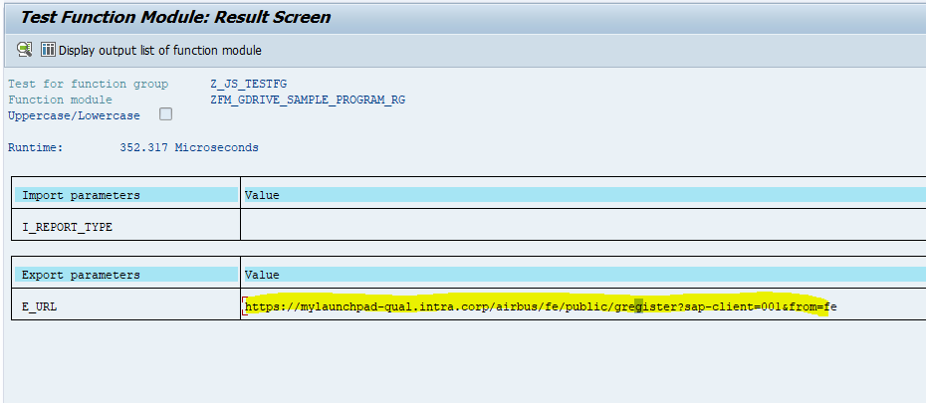

 | if ((oData.N_ETRequestInp_ETRequestList.results[j].ZREQTYP === "30") || (oData.N_ETRequestInp_ETRequestList.results[j].ZREQTYP ===
 |  |  |  |  |  |  | 90)) {
 |  |  |  |  |  | oData.N_ETRequestInp_ETRequestList.results[j].ZSTDP = "";
 |  |  |  |  | }

Z_2T65_CSL_SIR Z_2T65_CSL_ODP SRV Z_CSL_GET_SIR_DETAILS

myCSL OLW |  | date format incorrect m/dd/yyy, instead fo dd.mm.yyyy | 12/02/2025

SARF_START_DATE
SARF_END_DATE
SIR_COMP_EXP_DT
SIR_CREATION_DATE
ATP_EXPIRY_DATE
POA_VALID_DATE
FOD_VALID_DATE

Business feedback
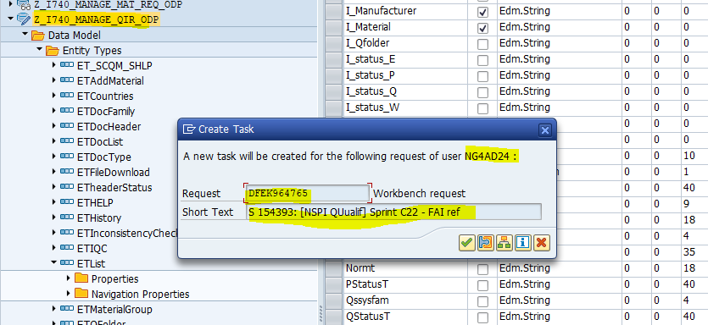
Found by | Application | Issue # | issue | date | Dxx | Ixx | Qxx | Fixed | Comments | https://docs.google.com/spreadsheets/d/1M38Hb46jiDJ_rtShdVrVCPsS9Ofrh0qDVkudezpR2ec/edit?gid=573172672#gid=573172672
Isabell D. | NSPI Request - Manage material | 1 | Last proc date comment column labelled "text" | 28/01/2025 |  | Y |  | Y
Isabell D. | NSPI Request - Manage material | 2 | Last proc date not displayed | 28/01/2025 |  | Y |  | Y
Isabell D. | NSPI Request - Manage material | 3 | Unit column labelled "ZMEABM_DESC" | 28/01/2025 |  | Y |  | Y
Isabell D. | NSPI Request - Manage material | 4 | Last Order date not displayed | 28/01/2025 |  | Y |  | Y
Isabell D. | NSPI Request - Manage material | 5 | Qualif column displayed as "X/<Blank>" instead of "Yes/No" | 28/01/2025 |  | Y |  | Y | Single char field in ABAP, working on workaround to fix
Isabell D. | NSPI Request - Manage material | 6 | Cov column displayed as "X/<Blank>" instead of "Yes/No" | 28/01/2025 |  | Y |  | Y | Single char field in ABAP, working on workaround to fix
Isabell D. | NSPI Request - Manage material | 7 | Button Export still visible for role Engineering, Ordering, Procurement. |  |  | Y |  | Y
G.B | NSPI Request - Manage material | 8 | Layout not harmonized | 28/01/2025 |  |  |  | N | Need the exact changes which are expecting in layout
G.B | NSPI QFolder - Manage QIR | 1 | Certificate Type not displayed | 28/01/2025 |  | Y | Y | Y
G.B | myCSL - Manage SIR (OLW) | 1 | Service ID column not correclty labelled | 28/01/2025 |  |  |  | Y
G.B | myCSL - Manage SIR (OLW) | 2 | Commodity Column not correctly labelled | 28/01/2025 |  |  |  | Y
G.B | myCSL - Manage SIR (OLW) | 3 | Document field displays X/<Blank> instead of Yes/No | 28/01/2025 |  |  |  | Y
G.B | myCSL all applications | 4 | Doc ref empty instead of "No Document" | 28/01/2025 |  |  |  | Y | SIR, WS, mws, dis, ssc
Anais M | NSPI QFolder - Manage QIR AQPL - Qualified Part List AQPL - Interchangeability myCSL - Manage Works Specification Line myCSL - Display SIR myCSL - Search Service & Contact myQSPL - Request (browser in French) myQSL - Qualification (browser in French) myQSPL - report (browser in French) myQTML - Request (browser in French) myQTML - Qualification (browser in French) myQTML - report (browser in French) | 1 | Columns labelled with field names nspi-qfolder, aqpl-qpl, icy, csl,qspl, qtml | 31/01/2025 |  |  | Y | Y | test file link : https://docs.google.com/spreadsheets/d/1M38Hb46jiDJ_rtShdVrVCPsS9Ofrh0qDVkudezpR2ec/edit?gid=573172672#gid=573172672
Anais M | NSPI QFolder - Manage QIR myCOMP - Manage QIR myCOMP - Manage CFolder AQPL - Qualified Part List AQPL - Interchangeability myCSL - Manage Works Specification Line myCSL - Display SIR myQSPL - Request (browser in French) myQSL - Qualification (browser in French) myQSPL - report (browser in French) myQTML - Request (browser in French) myQTML - Qualification (browser in French) myQTML - report (browser in French) | 2 | Filter does not work | 31/01/2025 |  |  |  | . | Not supporting offline filters
Anais M | <Need actual application names - where we have the issue> | 3 | xFeld field are displayed X/<Blank>, instead of yes/no or True/False | 31/01/2025
Anais M | NSPI QFolder - Manage QIR AQPL - Qualified Part List AQPL - Interchangeability myCSL - Manage Works Specification Line myCSL - Display SIR myCSL - Search Service & Contact myQSPL - Request (browser in French) myQSL - Qualification (browser in French) myQSPL - report (browser in French) myQTML - Request (browser in French) myQTML - Qualification (browser in French) myQTML - report (browser in French) | 4 | Sort order in the screen is the order in the GSheet | 31/01/2025 |  |  |  | N | Not supporting offline sort
Anais M | AQPL - Airbus Qualified part list | 1 | "P5 regulated subtance" column not displayed | 31/01/2025 | y |  | Y | Y | Need test data where P5 regulated substance value exists. Column is available in gsheet. --> material ABS1133D025 in Qxx
Anais M | AQPL - Interchangeability | 2 | Update date format (expected format is dd.mm.yyyy) | 31/01/2025 | KO (date = dd.mm.yy) 12/02/25 : Ok ! |  | Ko | Y | As discussed, Need confirmation on the date format to display in gsheet.
Anais M | myCSL - Manage WS line | 1 | XML error message. The field "Overall Progress" is not defined in the WS line entityset in QFx | 31/01/2025 | Y | Y |  | Y | Available in Ixx
Anais M | myCSL - Manage SIR OLW | 1 | credential requested | 31/01/2025 | Y |  |  |  | Please test once in Integration system as i dont see this with my user id.
Isabell D. | NSPI QFolder - Manage QIR |  | Deletion flag display is "X/<Blank>" instead of "True/False" | 04/02/2025 | Y |  | Y | Y | Done
Anais M | AQPL - Airbus Qualified part list |  | P status las update wrong values (Complete in Excel, '0' in Gsheet) | 04/02/2025 | Y |  | Y | Y | Done
G.B | NSPI QFolder - Manage QIR |  | Date in the file shoud be yyyymmdd | ` | Y | ` | Y | Y | Done
 | NSPI Request - Manage material |  | Date in the file shoud be yyyy-mm-ddThh-mm-ssZ |  | Y |  |  | Y | Done | 2021-09-30T00:00:00Z
G.B | NSPI Request - Manage material |  | Field "father Standard Part" is filled in the GSheet even if there is no value in the list. (NPI0094398 in QEM) | 11/02/2025 | Y |  |  | Y | Done
GB | AQPL - GE QPL |  | Date change P status = 12/29/0000 (empty in Excel) | 11/02/2025 | Y |  |  | Y | 0' in both xlsx and gsheet | /local/share/AEROSAP/FTP/DEM/I740/npi/o/German_QPL.csv
GB | AQPL - FR,SP,UK QPL |  | P Status last update = 12/30/000 (Complete in Excel) | 11/02/2025 | Y |  |  | Y | "Complete" in both xlsx and gsheet | /local/share/AEROSAP/FTP/DEM/I740/npi/o/1_ FR-UK-SP QPL - QIRs in P2 & P3.csv
GB | myCSL OLW |  | date format incorrect m/dd/yyy, instead fo dd.mm.yyyy | 12/02/2025 | Y |  |  | Y | Done

myCSL - Manage SIR (OLW)
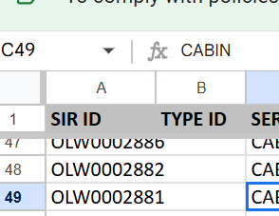
Issue #1
Excel

GSheet

NSPI Request screenshot
Issue #1
Excel
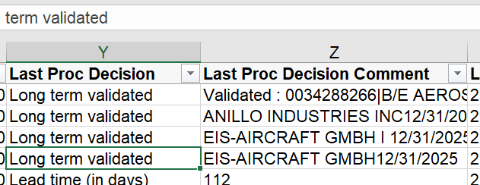

GSheet

Issue #2

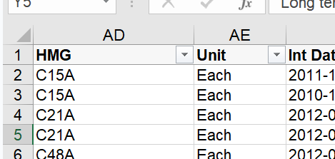
Issue #3
Excel

Gsheet
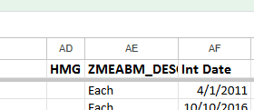

Issue #4

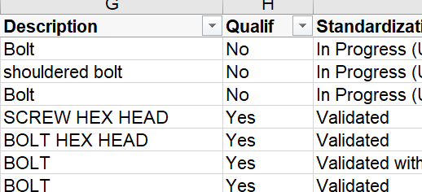
Issue #5
Excel
 | Fixed

GSheet
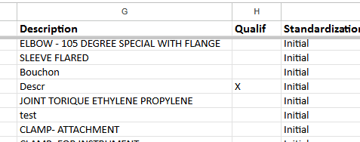

Issue #7

